Overview
SimQuick
SimQuick is a freely-distributed Excel-based software package for building simulation models of processes such as: waiting lines, supply chains, manufacturing facilities, and project scheduling. SimQuick is designed to be easy to learn and use, with clearly-defined functionality. The package has been used both to model real-world processes as well as in educational settings to introduce fundamental concepts of modeling, process simulation, and operations management.
For an example of a SimQuick model and more details on SimQuick visit the website: SimQuick.net.
SimQuick models consist of linked combinations of five basic elements. The element types are Entrances, Exits, Work Stations, Buffers, and Decision Points. You have a lot of discretion in how these elements are combined to build a model of a process. Characteristics of the elements are entered into SimQuick by filling in tables. Statistical distributions are a key characteristic; they capture the uncertainty inherent in almost all processes: arrival times of people at a service, times to process a document or machined part, demand for a product in a store, and so on.
SimQuick is accompanied by an inexpensive 125-page booklet that covers the basics of process simulation and how to build models using SimQuick. Information on the booklet and how to order it can be found at SimQuick.net.
David Hartvigsen
Mendoza College of Business
University of Notre Dame
Hartvigsen.1@nd.edu

Scenario Results
Simulation Results

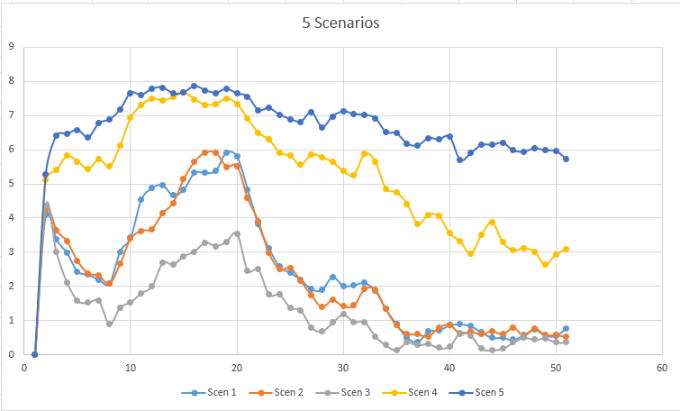
Element | Element | Statistics | Scenarios | (Overall Means / St Devs)
types | names |  | 1 |  | 2 |  | 3 |  | 4 |  | 5

Entrance(s) | Customer | Objects entering process | 153.46 | 11.61 | 156.72 | 11.39 | 161.42 | 9.79 | 112.64 | 10.51 | 80.60 | 8.52
 |  | Objects unable to enter | 11.44 | 7.47 | 10.52 | 7.55 | 3.32 | 3.99 | 49.84 | 10.77 | 84.30 | 13.27
 |  | Service level | 0.93 | 0.04 | 0.94 | 0.04 | 0.98 | 0.02 | 0.69 | 0.06 | 0.49 | 0.06

Work Station(s) | Teller 1 | Final status | NA | NA | NA | NA | NA | NA | NA | NA | NA | NA
 |  | Final inventory (int. buff.) | 0.00 | 0.00 | 0.00 | 0.00 | 0.00 | 0.00 | 0.00 | 0.00 | 0.00 | 0.00
 |  | Mean inventory (int. buff.) | 0.00 | 0.00 | 0.00 | 0.00 | 0.00 | 0.00 | 0.00 | 0.00 | 0.00 | 0.00
 |  | Mean cycle time (int. buff.) | 0.00 | 0.00 | 0.00 | 0.00 | 0.00 | 0.00 | 0.00 | 0.00 | Infinite | Infinite
 |  | Work cycles started | 96.62 | 8.34 | 69.66 | 7.14 | 90.06 | 7.73 | 115.66 | 10.13 | 0.00 | 0.00
 |  | Fraction time working | 0.80 | 0.07 | 0.85 | 0.05 | 0.74 | 0.05 | 0.95 | 0.04 | 0.00 | 0.00
 |  | Fraction time blocked | 0.00 | 0.00 | 0.00 | 0.00 | 0.00 | 0.00 | 0.00 | 0.00 | 0.00 | 0.00

 | Teller 2 | Final status | NA | NA | NA | NA | NA | NA | NA | NA | NA | NA
 |  | Final inventory (int. buff.) | 0.00 | 0.00 | 0.00 | 0.00 | 0.00 | 0.00 | 0.00 | 0.00 | 0.00 | 0.00
 |  | Mean inventory (int. buff.) | 0.00 | 0.00 | 0.00 | 0.00 | 0.00 | 0.00 | 0.00 | 0.00 | 0.00 | 0.00
 |  | Mean cycle time (int. buff.) | 0.00 | 0.00 | 0.00 | 0.00 | 0.00 | 0.00 | Infinite | Infinite | 0.00 | 0.00
 |  | Work cycles started | 62.16 | 8.20 | 92.80 | 10.05 | 77.36 | 7.77 | 0.00 | 0.00 | 81.16 | 8.45
 |  | Fraction time working | 0.76 | 0.08 | 0.75 | 0.08 | 0.64 | 0.08 | 0.00 | 0.00 | 1.00 | 0.01
 |  | Fraction time blocked | 0.00 | 0.00 | 0.00 | 0.00 | 0.00 | 0.00 | 0.00 | 0.00 | 0.00 | 0.00

Buffer(s) | queue | Objects leaving | 158.78 | 11.61 | 162.46 | 11.80 | 167.42 | 9.95 | 115.66 | 10.13 | 81.16 | 8.45
 |  | Final inventory | 0.78 | 1.37 | 0.52 | 1.09 | 0.36 | 0.94 | 3.10 | 2.87 | 5.72 | 2.49
 |  | Minimum inventory | 0.00 | 0.00 | 0.00 | 0.00 | 0.00 | 0.00 | 0.22 | 0.62 | 1.70 | 1.59
 |  | Maximum inventory | 7.96 | 0.28 | 7.98 | 0.14 | 7.64 | 0.75 | 8.00 | 0.00 | 8.00 | 0.00
 |  | Mean inventory | 2.46 | 0.78 | 2.37 | 0.67 | 1.38 | 0.60 | 5.37 | 0.82 | 6.81 | 0.52
 |  | Mean cycle time | 7.48 | 2.45 | 7.06 | 2.07 | 3.95 | 1.70 | 22.57 | 4.61 | 40.88 | 6.66

 | Served Customers | Objects leaving | 0.00 | 0.00 | 0.00 | 0.00 | 0.00 | 0.00 | 0.00 | 0.00 | 0.00 | 0.00
 |  | Final inventory | 157.54 | 11.56 | 161.20 | 11.75 | 166.36 | 9.84 | 114.82 | 10.20 | 80.20 | 8.49
 |  | Minimum inventory | 0.00 | 0.00 | 0.00 | 0.00 | 0.00 | 0.00 | 0.00 | 0.00 | 0.00 | 0.00
 |  | Maximum inventory | 157.54 | 11.56 | 161.20 | 11.75 | 166.36 | 9.84 | 114.82 | 10.20 | 80.20 | 8.49
 |  | Mean inventory | 87.06 | 7.33 | 88.31 | 6.67 | 93.66 | 5.50 | 58.84 | 6.50 | 40.57 | 4.78
 |  | Mean cycle time | Infinite | NA | Infinite | NA | Infinite | NA | Infinite | NA | Infinite | NA

